Diagrams
BMS4 Temperature
 | Fire | Unprotected beam
0 | 20 | 20
1 | 349.21366576 | 46.562035637
2 | 444.50487788 | 94.363759603
3 | 502.28930299 | 146.22516791
4 | 543.88730926 | 206.84962802
5 | 576.41043057 | 273.87346801
6 | 603.11764761 | 334.49352227
7 | 625.77682521 | 391.9292939
8 | 645.45510804 | 444.72567952
9 | 662.84638674 | 492.03743753
10 | 678.42733151 | 530.38506747
11 | 692.53955229 | 566.96305844
12 | 705.43624832 | 598.56875686
13 | 717.31030818 | 625.98952275
14 | 728.312063 | 649.83559176
15 | 738.56095276 | 670.37867537
16 | 748.15345005 | 687.91518011
17 | 757.16859567 | 702.69896264
18 | 765.67196077 | 714.87573774
19 | 773.71854363 | 725.10565771
20 | 781.35492723 | 731.6647499
21 | 788.62091309 | 735.5296888
22 | 795.55077689 | 740.09060942
23 | 802.1742463 | 747.97461279
24 | 808.51727161 | 759.05581011
25 | 814.60263981 | 771.89192942
26 | 820.45046871 | 784.84546475
27 | 826.07860818 | 796.87728958
28 | 831.50296875 | 807.58192501
29 | 836.73779275 | 816.94811813
30 | 841.79587969 | 825.14395563
31 | 846.68877475 | 832.38746471
32 | 851.42692755 | 838.88423708
33 | 856.01982651 | 844.80447772
34 | 860.47611323 | 850.27967088
35 | 864.80368037 | 855.40738473
36 | 869.00975575 | 860.25838499
37 | 873.10097501 | 864.88346721
38 | 877.08344457 | 869.31908772
39 | 880.96279645 | 873.2413188
40 | 884.74423618 | 877.38162573
41 | 888.43258479 | 881.39192695
42 | 892.0323158 | 885.28385471
43 | 895.5475878 | 889.06670071
44 | 898.98227336 | 892.748113
45 | 902.33998466 | 896.33456039
46 | 905.62409632 | 899.83164239
47 | 908.83776582 | 903.24205917
48 | 911.98395168 | 906.56573935
49 | 915.06542988 | 909.81051877
...

SS_B4 Displacements
 | Midspan - 20 N/mm |  | Midspan - 40 N/mm
0 | -4.2316906322 | 0 | -8.4624443512
0.125 | -4.2413615606 | 0.5 | -8.5405741015
0.25 | -4.2510985611 | 1 | -8.6208757421
0.375 | -4.2609022436 | 1.5 | -9.2072037343
0.5 | -4.2707732255 | 2 | -14.924801237
0.625 | -4.2807121322 | 2.5 | -27.633676021
0.75 | -4.2907195972 | 3 | -40.321420943
0.875 | -4.300796262 | 3.5 | -54.259754985
1 | -4.3109427762 | 4 | -67.346446234
1.125 | -4.3293807703 | 4.5 | -81.135046008
1.25 | -4.3480510246 | 5 | -94.350012675
1.375 | -4.3669575365 | 5.5 | -105.93552591
1.5 | -4.3861043978 | 6 | -117.26377167
1.625 | -4.4054957978 | 6.5 | -127.90279469
1.75 | -4.4251360259 | 7 | -138.53696213
1.875 | -4.4450294748 | 7.5 | -151.50689143
2 | -4.5278116988 | 8 | -166.53626423
2.125 | -5.2217655522 | 8.5 | -181.39237062
2.25 | -7.1599415627 | 9 | -197.19337229
2.375 | -10.360380627 | 9.5 | -212.65043496
2.5 | -13.79133298 | 10 | -228.39750582
2.625 | -17.201192438 | 10.5 | -246.82455584
2.75 | -20.531857152 | 11 | -274.49688007
2.875 | -23.780483121 | 11.5 | -298.30674394
3 | -26.93643625 | 11.625 | -303.64525111
3.125 | -30.527101376 | 11.6328125 | -303.96397359
3.25 | -33.996288798 | 11.640625 | -304.2831586
3.375 | -37.37330319 | 11.6484375 | -304.60281529
3.5 | -40.662653681 | 11.650390625 | -304.68281281
3.625 | -43.862265425 | 11.650512695 | -304.68781379
3.75 | -46.988234269 | 11.650634766 | -304.69281491
3.875 | -50.050757955 | 11.650756836 | -304.69781616
4 | -53.036521663 | 11.650787354 | -304.69906649
4.125 | -56.266597278 | 11.650817871 | -304.70031684
4.25 | -59.428199383 | 11.6508255 | -304.70062942
4.375 | -62.518281572 | 11.65083313 | -304.70094201
4.5 | -65.551744056 | 11.650840759 | -304.7012546
4.625 | -68.530884579 | 11.650842667 | -304.70133275
4.75 | -71.45184685 | 11.650844574 | -304.70141089
4.875 | -74.317918262 | 11.650846481 | -304.70148904
5 | -77.126520022 | 11.650846958 | -304.70150858
5.125 | -79.618649488 | 11.650847435 | -304.70152811
5.25 | -82.068386585 | 11.650847912 | -304.70154765
5.375 | -84.486939546 | 11.650848389 | -328.0181843
5.5 | -86.880435714
5.625 | -89.253324971
5.75 | -91.608252577
5.875 | -93.948779241
6 | -96.277897107
6.125 | -98.474843043
...
SS_B4 and SS_B6 Displacements
 | Midspan - 20 N/mm - SS_B4 |  | Midspan - 40 N/mm - SS_B4 |  | Midspan - 20 N/mm - SS_B6 |  | Midspan - 40 N/mm - SS_B6
0 | -4.2316906322 | 0 | -8.4624443512 | 0 | -4.2316906322 | 0 | -8.4624443512
0.125 | -4.2413615606 | 0.5 | -8.5405741015 | 0.125 | -4.2417246078 | 0.125 | -8.4825039197
0.25 | -4.2510985611 | 1 | -8.6208757421 | 0.25 | -4.2518095114 | 0.25 | -8.5026652449
0.375 | -4.2609022436 | 1.5 | -9.2072037343 | 0.375 | -4.2619457077 | 0.375 | -8.5229290552
0.5 | -4.2707732255 | 2 | -14.924801237 | 0.5 | -4.2721335651 | 0.5 | -8.5432960856
0.625 | -4.2807121322 | 2.5 | -27.633676021 | 0.625 | -4.2917410742 | 0.625 | -8.5824942245
0.75 | -4.2907195972 | 3 | -40.321420943 | 0.75 | -4.3115411093 | 0.75 | -8.6220770275
0.875 | -4.300796262 | 3.5 | -54.259754985 | 0.875 | -4.3315363485 | 0.875 | -8.6620498397
1 | -4.3109427762 | 4 | -67.346446234 | 1 | -4.3517295199 | 1 | -8.7024181061
1.125 | -4.3293807703 | 4.5 | -81.135046008 | 1.125 | -4.377674445 | 1.125 | -8.7542843808
1.25 | -4.3480510246 | 5 | -94.350012675 | 1.25 | -4.4039491704 | 1.25 | -8.8668783267
1.375 | -4.3669575365 | 5.5 | -105.93552591 | 1.375 | -4.4305596588 | 1.375 | -9.2052267261
1.5 | -4.3861043978 | 6 | -117.26377167 | 1.5 | -4.4575120185 | 1.5 | -9.8197711526
1.625 | -4.4054957978 | 6.5 | -127.90279469 | 1.625 | -4.4885668215 | 1.625 | -10.935968382
1.75 | -4.4251360259 | 7 | -138.53696213 | 1.75 | -4.5200807245 | 1.75 | -12.443556257
1.875 | -4.4450294748 | 7.5 | -151.50689143 | 1.875 | -4.777136309 | 1.875 | -14.876836771
2 | -4.5278116988 | 8 | -166.53626423 | 2 | -5.7929051336 | 2 | -17.752047349
2.125 | -5.2217655522 | 8.5 | -181.39237062 | 2.125 | -8.2825358555 | 2.125 | -21.071399627
2.25 | -7.1599415627 | 9 | -197.19337229 | 2.25 | -11.736591253 | 2.25 | -24.48151093
2.375 | -10.360380627 | 9.5 | -212.65043496 | 2.375 | -15.338800012 | 2.375 | -27.912137421
2.5 | -13.79133298 | 10 | -228.39750582 | 2.5 | -18.929715515 | 2.5 | -31.336893841
2.625 | -17.201192438 | 10.5 | -246.82455584 | 2.625 | -22.021545002 | 2.625 | -34.303003744
2.75 | -20.531857152 | 11 | -274.49688007 | 2.75 | -25.083723416 | 2.75 | -37.249122826
2.875 | -23.780483121 | 11.5 | -298.30674394 | 2.875 | -28.104290606 | 2.875 | -40.177675969
3 | -26.93643625 | 11.625 | -303.64525111 | 3 | -31.089513576 | 3 | -43.084839788
3.125 | -30.527101376 | 11.6328125 | -303.96397359 | 3.125 | -34.726040458 | 3.125 | -46.646804397
3.25 | -33.996288798 | 11.640625 | -304.2831586 | 3.25 | -38.31230478 | 3.25 | -50.177222398
3.375 | -37.37330319 | 11.6484375 | -304.60281529 | 3.375 | -41.85800903 | 3.375 | -53.668645674
3.5 | -40.662653681 | 11.650390625 | -304.68281281 | 3.5 | -45.364129567 | 3.5 | -57.131640338
3.625 | -43.862265425 | 11.650512695 | -304.68781379 | 3.625 | -48.883815072 | 3.625 | -60.614390913
3.75 | -46.988234269 | 11.650634766 | -304.69281491 | 3.75 | -52.396735315 | 3.75 | -64.125398718
3.875 | -50.050757955 | 11.650756836 | -304.69781616 | 3.875 | -55.886606019 | 3.875 | -67.611483394
4 | -53.036521663 | 11.650787354 | -304.69906649 | 4 | -59.335799323 | 4 | -71.055388201
4.125 | -56.266597278 | 11.650817871 | -304.70031684 | 4.125 | -62.760360801 | 4.125 | -74.496997429
4.25 | -59.428199383 | 11.6508255 | -304.70062942 | 4.25 | -66.158642282 | 4.25 | -77.911232564
4.375 | -62.518281572 | 11.65083313 | -304.70094201 | 4.375 | -69.53766947 | 4.375 | -81.301050622
4.5 | -65.551744056 | 11.650840759 | -304.7012546 | 4.5 | -72.894438415 | 4.5 | -84.658197064
4.625 | -68.530884579 | 11.650842667 | -304.70133275 | 4.625 | -76.737375099 | 4.625 | -88.509305878
4.75 | -71.45184685 | 11.650844574 | -304.70141089 | 4.75 | -80.552587594 | 4.75 | -92.33762071
4.875 | -74.317918262 | 11.650846481 | -304.70148904 | 4.875 | -84.337637641 | 4.875 | -96.139926462
5 | -77.126520022 | 11.650846958 | -304.70150858 | 5 | -88.092160372 | 5 | -99.908462704
5.125 | -79.618649488 | 11.650847435 | -304.70152811 | 5.125 | -91.220498945 | 5.125 | -103.06133962
5.25 | -82.068386585 | 11.650847912 | -304.70154765 | 5.25 | -94.333691737 | 5.25 | -106.21406926
5.375 | -84.486939546 | 11.650848389 | -328.0181843 | 5.375 | -97.425703862 | 5.375 | -109.35634674
5.5 | -86.880435714 |  |  | 5.5 | -100.50031287 | 5.5 | -112.48519432
5.625 | -89.253324971 |  |  | 5.625 | -103.46919461 | 5.625 | -115.51282671
5.75 | -91.608252577 |  |  | 5.75 | -106.41988963 | 5.75 | -118.54254629
5.875 | -93.948779241 |  |  | 5.875 | -109.35555134 | 5.875 | -121.56057277
6 | -96.277897107 |  |  | 6 | -112.26699568 | 6 | -124.55918263
6.125 | -98.474843043 |  |  | 6.125 | -115.05479928 | 6.125 | -127.44093226
...

SS_B4 Displacements
 | Midspan - 20 N/mm |  | Midspan - 40 N/mm
20 | -4.2316906322 | 20 | -8.4624443512
23.320254455 | -4.2413615606 | 33.28101782 | -8.5405741015
26.64050891 | -4.2510985611 | 46.56203564 | -8.6208757421
29.960763365 | -4.2609022436 | 70.46289762 | -9.2072037343
33.28101782 | -4.2707732255 | 94.3637596 | -14.924801237
36.601272275 | -4.2807121322 | 120.29446375 | -27.633676021
39.92152673 | -4.2907195972 | 146.2251679 | -40.321420943
43.241781185 | -4.300796262 | 176.53739795 | -54.259754985
46.56203564 | -4.3109427762 | 206.849628 | -67.346446234
52.537251135 | -4.3293807703 | 240.361548 | -81.135046008
58.51246663 | -4.3480510246 | 273.873468 | -94.350012675
64.487682125 | -4.3669575365 | 304.18349515 | -105.93552591
70.46289762 | -4.3861043978 | 334.4935223 | -117.26377167
76.438113115 | -4.4054957978 | 363.2114081 | -127.90279469
82.41332861 | -4.4251360259 | 391.9292939 | -138.53696213
88.388544105 | -4.4450294748 | 418.3274867 | -151.50689143
94.3637596 | -4.5278116988 | 444.7256795 | -166.53626423
100.84643564 | -5.2217655522 | 468.3815585 | -181.39237062
107.32911167 | -7.1599415627 | 492.0374375 | -197.19337229
113.81178771 | -10.360380627 | 511.2112525 | -212.65043496
120.29446375 | -13.79133298 | 530.3850675 | -228.39750582
126.77713979 | -17.201192438 | 548.67406295 | -246.82455584
133.25981583 | -20.531857152 | 566.9630584 | -274.49688007
139.74249186 | -23.780483121 | 582.76590765 | -298.30674394
146.2251679 | -26.93643625 | 586.71661996 | -303.64525111
153.80322541 | -30.527101376 | 586.96353948 | -303.96397359
161.38128292 | -33.996288798 | 587.210459 | -304.2831586
168.95934044 | -37.37330319 | 587.45737852 | -304.60281529
176.53739795 | -40.662653681 | 587.5191084 | -304.68281281
184.11545546 | -43.862265425 | 587.52296652 | -304.68781379
191.69351298 | -46.988234269 | 587.52682464 | -304.69281491
199.27157049 | -50.050757955 | 587.53068275 | -304.69781616
206.849628 | -53.036521663 | 587.53164728 | -304.69906649
215.227608 | -56.266597278 | 587.53261181 | -304.70031684
223.605588 | -59.428199383 | 587.53285294 | -304.70062942
231.983568 | -62.518281572 | 587.53309408 | -304.70094201
240.361548 | -65.551744056 | 587.53333521 | -304.7012546
248.739528 | -68.530884579 | 587.53339549 | -304.70133275
257.117508 | -71.45184685 | 587.53345578 | -304.70141089
265.495488 | -74.317918262 | 587.53351606 | -304.70148904
273.873468 | -77.126520022 | 587.53353113 | -304.70150858
281.45097479 | -79.618649488 | 587.5335462 | -304.70152811
289.02848158 | -82.068386585 | 587.53356127 | -304.70154765
296.60598836 | -84.486939546 | 587.53357634 | -328.0181843
304.18349515 | -86.880435714
311.76100194 | -89.253324971
319.33850872 | -91.608252577
326.91601551 | -93.948779241
334.4935223 | -96.277897107
341.67299375 | -98.474843043
...
SS_B4 and SS_B6 Displacements
 | Midspan - 20 N/mm - SS_B4 |  | Midspan - 40 N/mm - SS_B4 |  | Midspan - 20 N/mm - SS_B6 |  | Midspan - 40 N/mm - SS_B6
20 | -4.2316906322 | 20 | -8.4624443512 | 20 | -4.2316906322 | 20 | -8.4624443512
23.320254455 | -4.2413615606 | 33.28101782 | -8.5405741015 | 22.52700975 | -4.2417246078 | 22.52700975 | -8.4825039197
26.64050891 | -4.2510985611 | 46.56203564 | -8.6208757421 | 25.0540195 | -4.2518095114 | 25.0540195 | -8.5026652449
29.960763365 | -4.2609022436 | 70.46289762 | -9.2072037343 | 27.58102925 | -4.2619457077 | 27.58102925 | -8.5229290552
33.28101782 | -4.2707732255 | 94.3637596 | -14.924801237 | 30.108039 | -4.2721335651 | 30.108039 | -8.5432960856
36.601272275 | -4.2807121322 | 120.29446375 | -27.633676021 | 34.9355545 | -4.2917410742 | 34.9355545 | -8.5824942245
39.92152673 | -4.2907195972 | 146.2251679 | -40.321420943 | 39.76307 | -4.3115411093 | 39.76307 | -8.6220770275
43.241781185 | -4.300796262 | 176.53739795 | -54.259754985 | 44.5905855 | -4.3315363485 | 44.5905855 | -8.6620498397
46.56203564 | -4.3109427762 | 206.849628 | -67.346446234 | 49.418101 | -4.3517295199 | 49.418101 | -8.7024181061
52.537251135 | -4.3293807703 | 240.361548 | -81.135046008 | 55.551375 | -4.377674445 | 55.551375 | -8.7542843808
58.51246663 | -4.3480510246 | 273.873468 | -94.350012675 | 61.684649 | -4.4039491704 | 61.684649 | -8.8668783267
64.487682125 | -4.3669575365 | 304.18349515 | -105.93552591 | 67.817923 | -4.4305596588 | 67.817923 | -9.2052267261
70.46289762 | -4.3861043978 | 334.4935223 | -117.26377167 | 73.951197 | -4.4575120185 | 73.951197 | -9.8197711526
76.438113115 | -4.4054957978 | 363.2114081 | -127.90279469 | 80.9217615 | -4.4885668215 | 80.9217615 | -10.935968382
82.41332861 | -4.4251360259 | 391.9292939 | -138.53696213 | 87.892326 | -4.5200807245 | 87.892326 | -12.443556257
88.388544105 | -4.4450294748 | 418.3274867 | -151.50689143 | 94.8628905 | -4.777136309 | 94.8628905 | -14.876836771
94.3637596 | -4.5278116988 | 444.7256795 | -166.53626423 | 101.833455 | -5.7929051336 | 101.833455 | -17.752047349
100.84643564 | -5.2217655522 | 468.3815585 | -181.39237062 | 109.35834025 | -8.2825358555 | 109.35834025 | -21.071399627
107.32911167 | -7.1599415627 | 492.0374375 | -197.19337229 | 116.8832255 | -11.736591253 | 116.8832255 | -24.48151093
113.81178771 | -10.360380627 | 511.2112525 | -212.65043496 | 124.40811075 | -15.338800012 | 124.40811075 | -27.912137421
120.29446375 | -13.79133298 | 530.3850675 | -228.39750582 | 131.932996 | -18.929715515 | 131.932996 | -31.336893841
126.77713979 | -17.201192438 | 548.67406295 | -246.82455584 | 138.48814825 | -22.021545002 | 138.48814825 | -34.303003744
133.25981583 | -20.531857152 | 566.9630584 | -274.49688007 | 145.0433005 | -25.083723416 | 145.0433005 | -37.249122826
139.74249186 | -23.780483121 | 582.76590765 | -298.30674394 | 151.59845275 | -28.104290606 | 151.59845275 | -40.177675969
146.2251679 | -26.93643625 | 586.71661996 | -303.64525111 | 158.153605 | -31.089513576 | 158.153605 | -43.084839788
153.80322541 | -30.527101376 | 586.96353948 | -303.96397359 | 166.23739925 | -34.726040458 | 166.23739925 | -46.646804397
161.38128292 | -33.996288798 | 587.210459 | -304.2831586 | 174.3211935 | -38.31230478 | 174.3211935 | -50.177222398
168.95934044 | -37.37330319 | 587.45737852 | -304.60281529 | 182.40498775 | -41.85800903 | 182.40498775 | -53.668645674
176.53739795 | -40.662653681 | 587.5191084 | -304.68281281 | 190.488782 | -45.364129567 | 190.488782 | -57.131640338
184.11545546 | -43.862265425 | 587.52296652 | -304.68781379 | 198.701575 | -48.883815072 | 198.701575 | -60.614390913
191.69351298 | -46.988234269 | 587.52682464 | -304.69281491 | 206.914368 | -52.396735315 | 206.914368 | -64.125398718
199.27157049 | -50.050757955 | 587.53068275 | -304.69781616 | 215.127161 | -55.886606019 | 215.127161 | -67.611483394
206.849628 | -53.036521663 | 587.53164728 | -304.69906649 | 223.339954 | -59.335799323 | 223.339954 | -71.055388201
215.227608 | -56.266597278 | 587.53261181 | -304.70031684 | 231.583036 | -62.760360801 | 231.583036 | -74.496997429
223.605588 | -59.428199383 | 587.53285294 | -304.70062942 | 239.826118 | -66.158642282 | 239.826118 | -77.911232564
231.983568 | -62.518281572 | 587.53309408 | -304.70094201 | 248.0692 | -69.53766947 | 248.0692 | -81.301050622
240.361548 | -65.551744056 | 587.53333521 | -304.7012546 | 256.312282 | -72.894438415 | 256.312282 | -84.658197064
248.739528 | -68.530884579 | 587.53339549 | -304.70133275 | 265.849936 | -76.737375099 | 265.849936 | -88.509305878
257.117508 | -71.45184685 | 587.53345578 | -304.70141089 | 275.38759 | -80.552587594 | 275.38759 | -92.33762071
265.495488 | -74.317918262 | 587.53351606 | -304.70148904 | 284.925244 | -84.337637641 | 284.925244 | -96.139926462
273.873468 | -77.126520022 | 587.53353113 | -304.70150858 | 294.462898 | -88.092160372 | 294.462898 | -99.908462704
281.45097479 | -79.618649488 | 587.5335462 | -304.70152811 | 302.47834925 | -91.220498945 | 302.47834925 | -103.06133962
289.02848158 | -82.068386585 | 587.53356127 | -304.70154765 | 310.4938005 | -94.333691737 | 310.4938005 | -106.21406926
296.60598836 | -84.486939546 | 587.53357634 | -328.0181843 | 318.50925175 | -97.425703862 | 318.50925175 | -109.35634674
304.18349515 | -86.880435714 |  |  | 326.524703 | -100.50031287 | 326.524703 | -112.48519432
311.76100194 | -89.253324971 |  |  | 334.316621 | -103.46919461 | 334.316621 | -115.51282671
319.33850872 | -91.608252577 |  |  | 342.108539 | -106.41988963 | 342.108539 | -118.54254629
326.91601551 | -93.948779241 |  |  | 349.900457 | -109.35555134 | 349.900457 | -121.56057277
334.4935223 | -96.277897107 |  |  | 357.692375 | -112.26699568 | 357.692375 | -124.55918263
341.67299375 | -98.474843043 |  |  | 365.19845525 | -115.05479928 | 365.19845525 | -127.44093226
...

SS_B4 Axial force at central-node
 | N - 20 N/mm |  | N - 40 N/mm
0 | 0 | 0 | 0
0.125 | 1167.8474414 | 0.5 | 4670.3405404
0.25 | -70649.850003 | 1 | -283474.77427
0.375 | -142624.2155 | 1.5 | -574124.08365
0.5 | -214755.24846 | 2 | -1088442.5874
0.625 | -287042.94825 | 2.5 | -1395827.4663
0.75 | -359487.31427 | 3 | -1395018.9056
0.875 | -432088.34588 | 3.5 | -1348804.641
1 | -504846.04244 | 4 | -1298864.9454
1.125 | -577760.4033 | 4.5 | -1255777.2492
1.25 | -709373.62353 | 5 | -1214422.317
1.375 | -841494.21898 | 5.5 | -1178292.8832
1.5 | -974122.1856 | 6 | -1149322.8915
1.625 | -1107257.5192 | 6.5 | -1123363.5191
1.75 | -1240900.2156 | 7 | -1100943.7662
1.875 | -1375050.2702 | 7.5 | -1080121.6453
2 | -1509707.6786 | 8 | -999871.66826
2.125 | -1642844.0427 | 8.5 | -891537.7367
2.25 | -1764838.924 | 9 | -792532.38999
2.375 | -1824822.3181 | 9.5 | -692803.16863
2.5 | -1828178.7043 | 10 | -591310.94201
2.625 | -1815178.8975 | 10.5 | -482554.72691
2.75 | -1798500.5283 | 11 | -375537.40129
2.875 | -1781138.283 | 11.5 | -253065.52617
3 | -1764071.2585 | 11.625 | -165359.6158
3.125 | -1747626.7074 | 11.6328125 | -144937.23033
3.25 | -1729425.3829 | 11.640625 | -143663.83453
3.375 | -1712021.813 | 11.6484375 | -142391.14112
3.5 | -1695547.3767 | 11.650390625 | -141119.15605
3.625 | -1679875.6735 | 11.650512695 | -140801.27242
3.75 | -1664914.1076 | 11.650634766 | -140781.4062
3.875 | -1650680.964 | 11.650756836 | -140761.54016
4 | -1637115.9294 | 11.650787354 | -140741.67429
4.125 | -1624088.1819 | 11.650817871 | -140736.70785
4.25 | -1610340.9264 | 11.6508255 | -140731.74143
4.375 | -1597223.6791 | 11.65083313 | -140730.49982
4.5 | -1584653.3945 | 11.650840759 | -140729.25822
4.625 | -1572571.3159 | 11.650842667 | -140728.01661
4.75 | -1560977.4864 | 11.650844574 | -140727.70621
4.875 | -1549879.1506 | 11.650846481 | -140727.39581
5 | -1539259.49 | 11.650846958 | -140727.08541
5.125 | -1529090.2612 | 11.650847435 | -140727.00781
5.25 | -1520259.2146 | 11.650847912 | -140726.93021
5.375 | -1511749.5089 | 11.650848389 | -140726.85261
5.5 | -1503536.5647
5.625 | -1495627.0994
5.75 | -1487999.2769
5.875 | -1480623.2731
6 | -1473477.6231
6.125 | -1466541.2625
...
SS_B4 and SS_B6 Axial force at central-node
 | N - 20 N/mm SS_B4 |  | N - 40 N/mm SS_B4 |  | N - 20 N/mm SS_B6 |  | N - 40 N/mm SS_B6
0 | 0 | 0 | 0 | 0 | 0 | 0 | 0
0.125 | 1167.8474414 | 0.5 | 4670.3405404 | 0.125 | 1167.8474414 | 0.125 | 4670.3405404
0.25 | -70649.850003 | 1 | -283474.77427 | 0.25 | -53442.315811 | 0.25 | -49925.289617
0.375 | -142624.2155 | 1.5 | -574124.08365 | 0.375 | -108074.05935 | 0.375 | -104542.39581
0.5 | -214755.24846 | 2 | -1088442.5874 | 0.5 | -162727.21079 | 0.5 | -159180.80467
0.625 | -287042.94825 | 2.5 | -1395827.4663 | 0.625 | -217401.59776 | 0.625 | -213840.34282
0.75 | -359487.31427 | 3 | -1395018.9056 | 0.75 | -321908.13947 | 0.75 | -318318.21883
0.875 | -432088.34588 | 3.5 | -1348804.641 | 0.875 | -426490.34918 | 0.875 | -422871.36424
1 | -504846.04244 | 4 | -1298864.9454 | 1 | -531147.02491 | 1 | -527498.56973
1.125 | -577760.4033 | 4.5 | -1255777.2492 | 1.125 | -635876.96464 | 1.125 | -632198.62575
1.25 | -709373.62353 | 5 | -1214422.317 | 1.25 | -769038.29998 | 1.25 | -765321.38591
1.375 | -841494.21898 | 5.5 | -1178292.8832 | 1.375 | -902313.487 | 1.375 | -896559.90572
1.5 | -974122.1856 | 6 | -1149322.8915 | 1.5 | -1035700.0602 | 1.5 | -1020173.9537
1.625 | -1107257.5192 | 6.5 | -1123363.5191 | 1.625 | -1169195.5541 | 1.625 | -1133503.3117
1.75 | -1240900.2156 | 7 | -1100943.7662 | 1.75 | -1321044.4386 | 1.75 | -1244865.7216
1.875 | -1375050.2702 | 7.5 | -1080121.6453 | 1.875 | -1473027.2074 | 1.875 | -1338655.6354
2 | -1509707.6786 | 8 | -999871.66826 | 2 | -1617785.9955 | 2 | -1393471.1519
2.125 | -1642844.0427 | 8.5 | -891537.7367 | 2.125 | -1733608.5473 | 2.125 | -1425251.0997
2.25 | -1764838.924 | 9 | -792532.38999 | 2.25 | -1799059.5035 | 2.25 | -1443000.2299
2.375 | -1824822.3181 | 9.5 | -692803.16863 | 2.375 | -1815602.3306 | 2.375 | -1452193.4358
2.5 | -1828178.7043 | 10 | -591310.94201 | 2.5 | -1817613.9624 | 2.5 | -1456458.3684
2.625 | -1815178.8975 | 10.5 | -482554.72691 | 2.625 | -1814469.2348 | 2.625 | -1457910.0946
2.75 | -1798500.5283 | 11 | -375537.40129 | 2.75 | -1809553.6792 | 2.75 | -1457509.2896
2.875 | -1781138.283 | 11.5 | -253065.52617 | 2.875 | -1803659.4775 | 2.875 | -1456263.03
3 | -1764071.2585 | 11.625 | -165359.6158 | 3 | -1796853.2465 | 3 | -1454064.7815
3.125 | -1747626.7074 | 11.6328125 | -144937.23033 | 3.125 | -1789401.9221 | 3.125 | -1451050.3599
3.25 | -1729425.3829 | 11.640625 | -143663.83453 | 3.25 | -1779802.293 | 3.25 | -1446901.5895
3.375 | -1712021.813 | 11.6484375 | -142391.14112 | 3.375 | -1769743.7405 | 3.375 | -1442222.3147
3.5 | -1695547.3767 | 11.650390625 | -141119.15605 | 3.5 | -1759511.64 | 3.5 | -1436624.6109
3.625 | -1679875.6735 | 11.650512695 | -140801.27242 | 3.625 | -1749098.2811 | 3.625 | -1430656.6239
3.75 | -1664914.1076 | 11.650634766 | -140781.4062 | 3.75 | -1738370.9618 | 3.75 | -1424230.6059
3.875 | -1650680.964 | 11.650756836 | -140761.54016 | 3.875 | -1723176.3425 | 3.875 | -1413478.6714
4 | -1637115.9294 | 11.650787354 | -140741.67429 | 4 | -1707211.2418 | 4 | -1401843.1535
4.125 | -1624088.1819 | 11.650817871 | -140736.70785 | 4.125 | -1691277.6052 | 4.125 | -1389845.5856
4.25 | -1610340.9264 | 11.6508255 | -140731.74143 | 4.25 | -1675358.6423 | 4.25 | -1377864.6971
4.375 | -1597223.6791 | 11.65083313 | -140730.49982 | 4.375 | -1659538.9467 | 4.375 | -1365885.36
4.5 | -1584653.3945 | 11.650840759 | -140729.25822 | 4.5 | -1643877.3454 | 4.5 | -1353860.6868
4.625 | -1572571.3159 | 11.650842667 | -140728.01661 | 4.625 | -1628350.2853 | 4.625 | -1341754.2527
4.75 | -1560977.4864 | 11.650844574 | -140727.70621 | 4.75 | -1610495.8278 | 4.75 | -1327707.1531
4.875 | -1549879.1506 | 11.650846481 | -140727.39581 | 4.875 | -1592814.4978 | 4.875 | -1313722.6745
5 | -1539259.49 | 11.650846958 | -140727.08541 | 5 | -1575300.4398 | 5 | -1299736.4471
5.125 | -1529090.2612 | 11.650847435 | -140727.00781 | 5.125 | -1557941.0575 | 5.125 | -1285756.6858
5.25 | -1520259.2146 | 11.650847912 | -140726.93021 | 5.25 | -1542478.6206 | 5.25 | -1273014.197
5.375 | -1511749.5089 | 11.650848389 | -140726.85261 | 5.375 | -1524988.7105 | 5.375 | -1258206.3789
5.5 | -1503536.5647 |  |  | 5.5 | -1507647.1205 | 5.5 | -1243527.3602
5.625 | -1495627.0994 |  |  | 5.625 | -1490463.7269 | 5.625 | -1228945.6379
5.75 | -1487999.2769 |  |  | 5.75 | -1473893.0132 | 5.75 | -1214777.7857
5.875 | -1480623.2731 |  |  | 5.875 | -1457458.6134 | 5.875 | -1200693.4155
6 | -1473477.6231 |  |  | 6 | -1441156.8227 | 6 | -1186702.5861
6.125 | -1466541.2625 |  |  | 6.125 | -1424969.3464 | 6.125 | -1172753.9081
...

Deflected shape
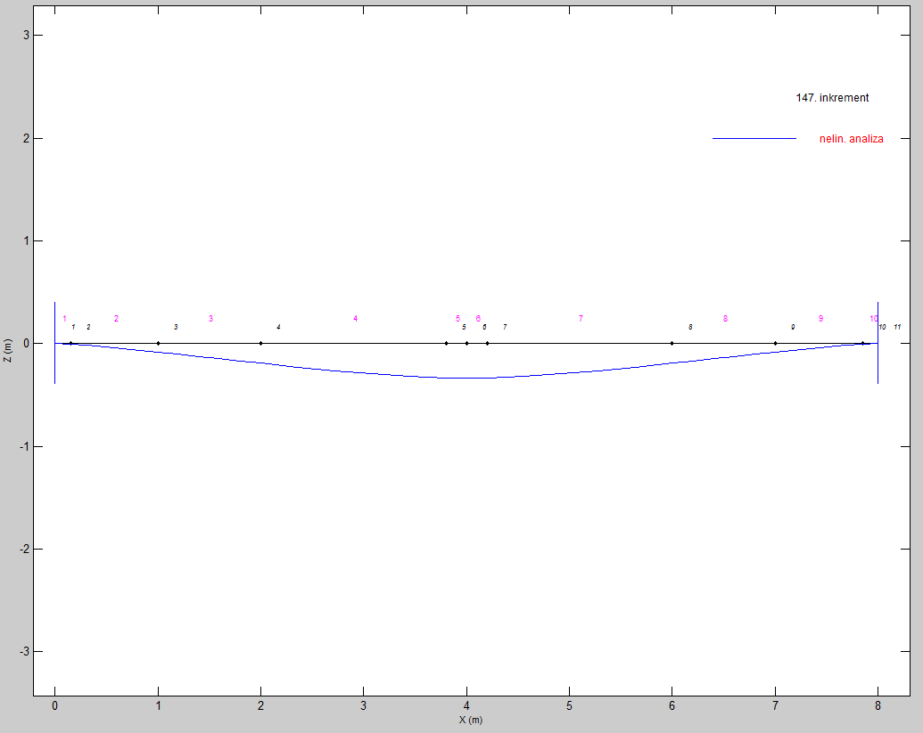
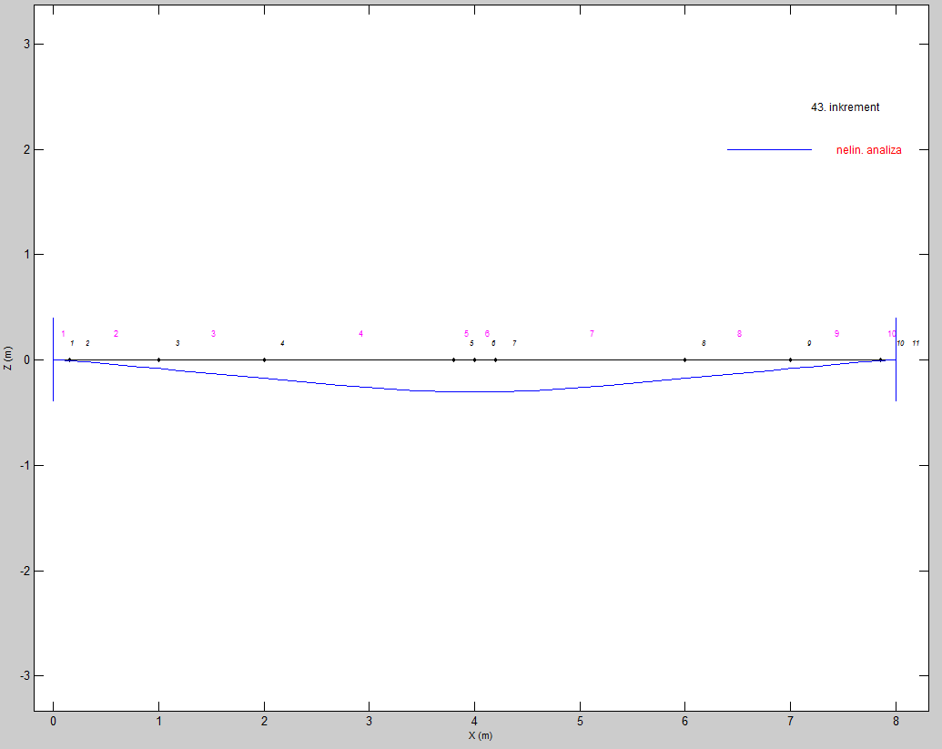

Load = 20 N/mm | Load = 40 N/mm

